TitleDocHistory
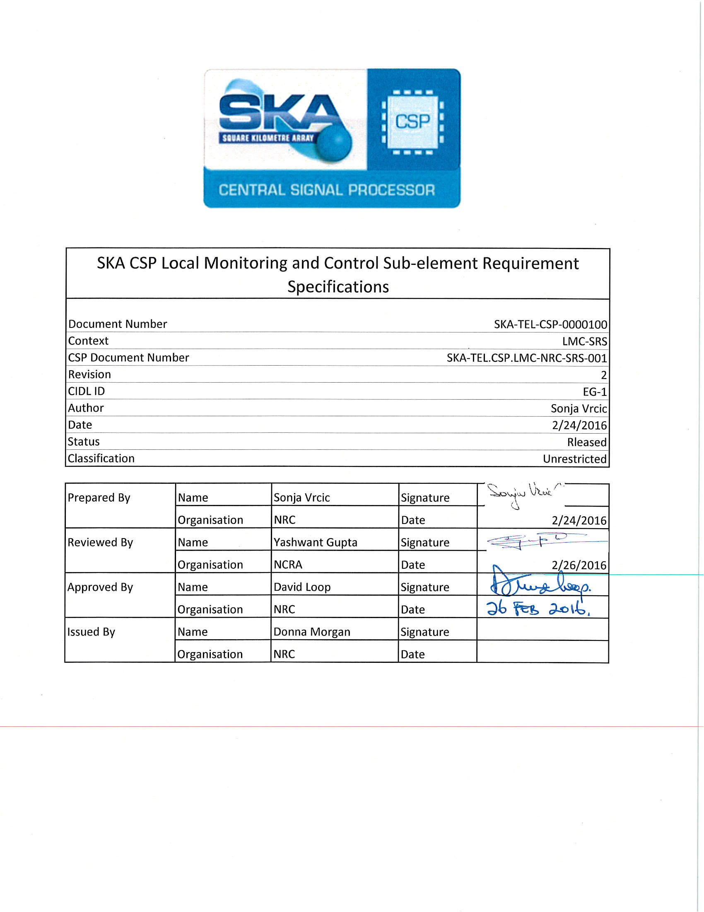

DOCUMENT HISTORY
Revision | Date | ECN | Change Discription
2 | 26-Feb-16 |  | Submitted for Delta PDR

DOCUMENT SOFTWARE
Application |  | Version | Filename
Spreadsheet | MS Excel | 2010 | EG-1_SKA-TEL-CSP-0000100_2_LMCReqSpec_2016-02-24.xlsx

ORGANISATION DETAILS
Designation |  | Name | Organisation
Primary Author and Responsible Organisation 1 |  | Sonja Vrcic | National Research Council Canada
Contributors

1 The "Responsible Organisation" is responsible for ensuring that the IP Declaration in Appendix A is accurate and completed in accordance with the SKA IP Policy.

